Try Kladana for Free
Create a Purchase Order in Kladana

*
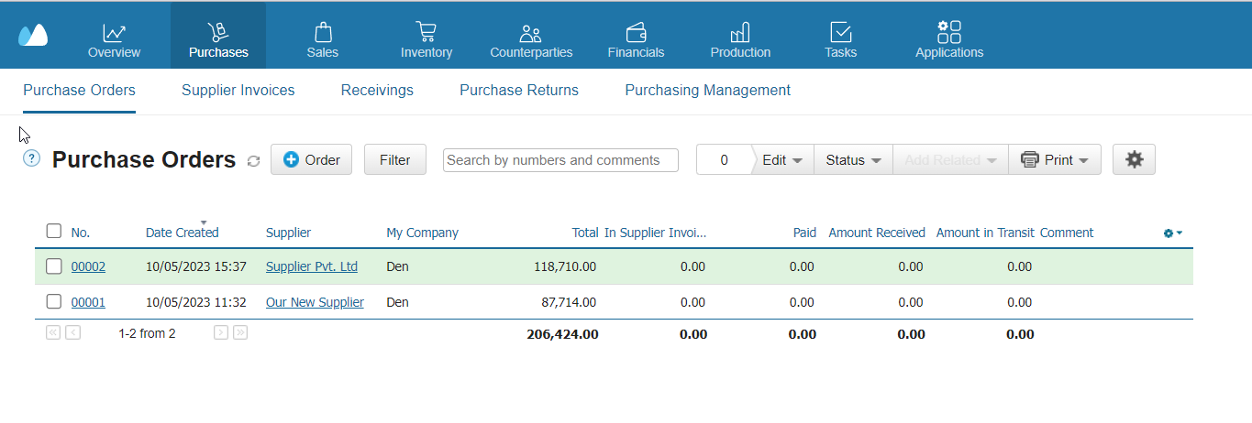

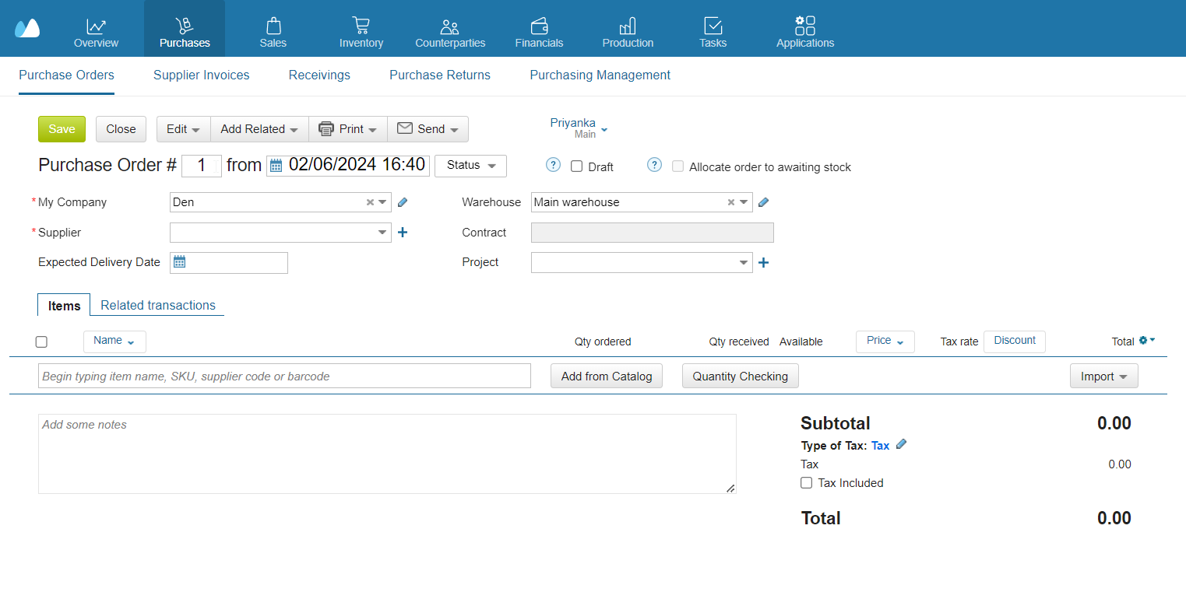

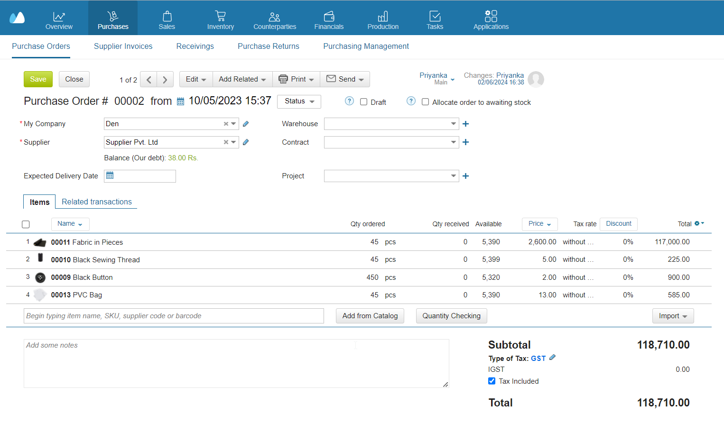

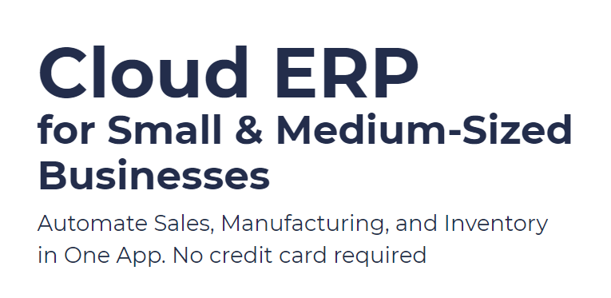
 |  | Use Kladana Free Plan

 |  | If you fancy the software, you may choose a paid plan

Start a Free 14-Day Trial
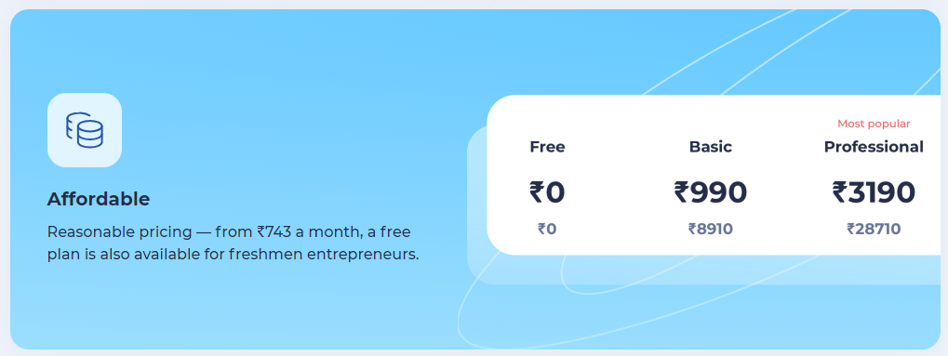
With no limits

 |  | Choose your Plan

Request a Demo
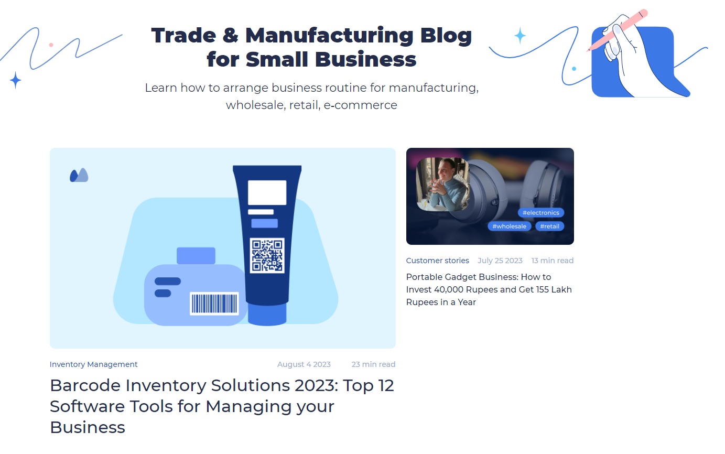

 | Subscribe

 | Subscribe

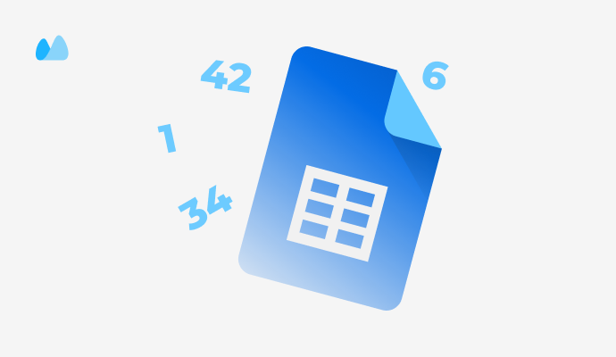

 |  | Read our Articles & Case Stories

Use our Free Inventory Template

