Try Kladana for Free
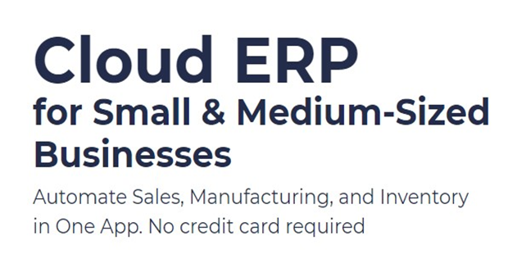
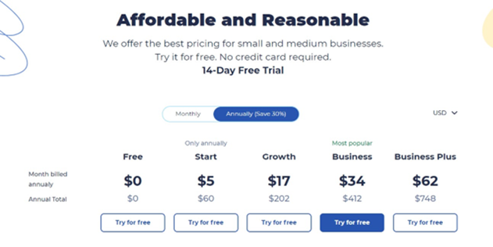

Start a Free 14-Day Trial |  | Choose your next Plan

With no limits |  | Starting with $60 per Year


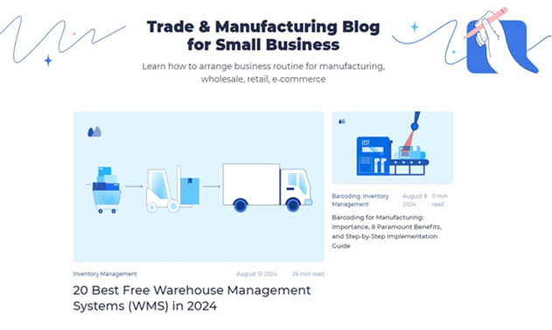
 | Subscribe

 | Subscribe

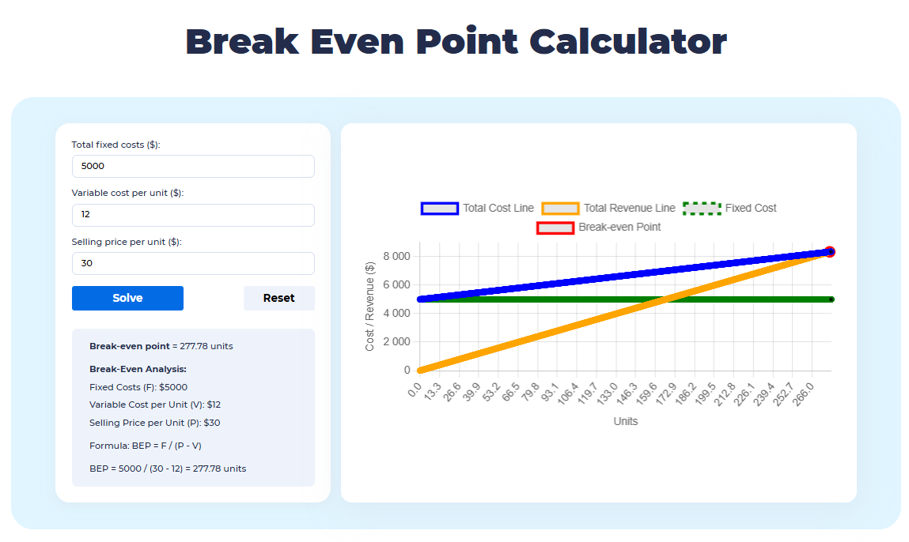

 |  | Read our Articles & Case Stories

Use our BEP Calculator

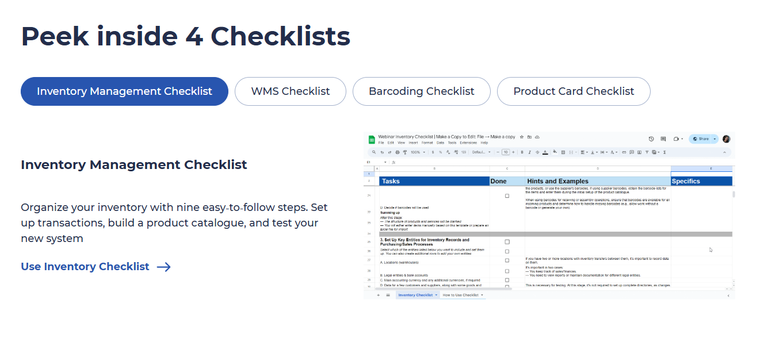

Use 4 Inventory Checklists

