Try Kladana for Free
Create Invoices in Kladana

In Kladana you can create, save, and print Sales, Tax, Tax with Bank Details, and Supplier Invoices
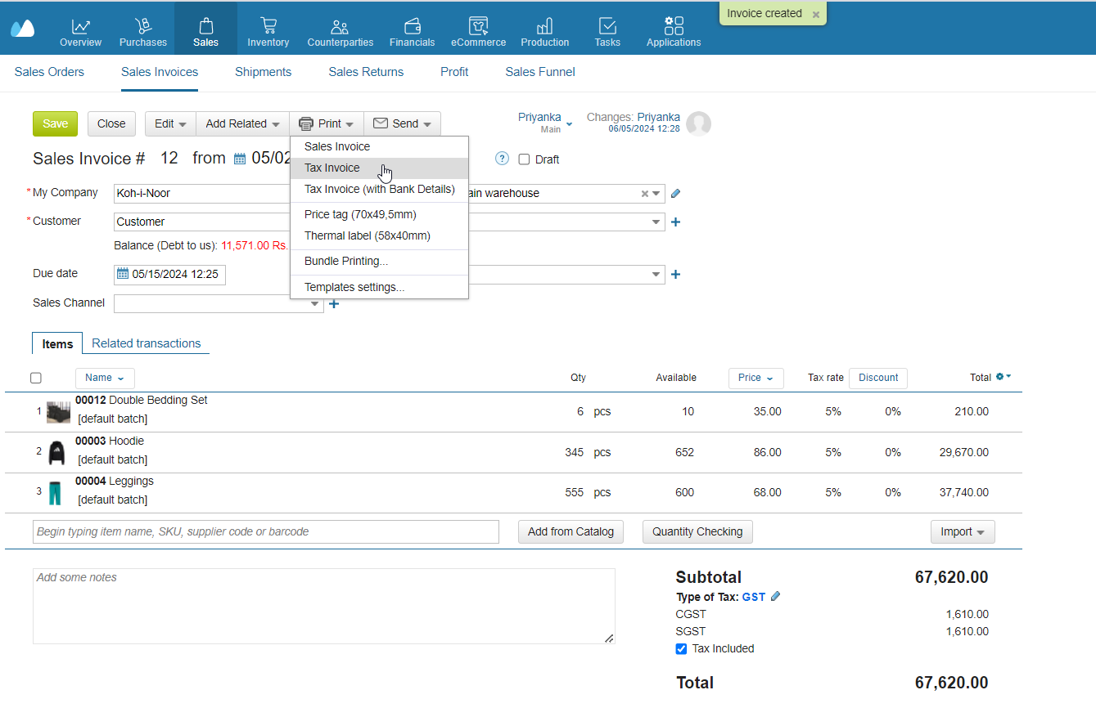

Check out the Info on GST Calculations

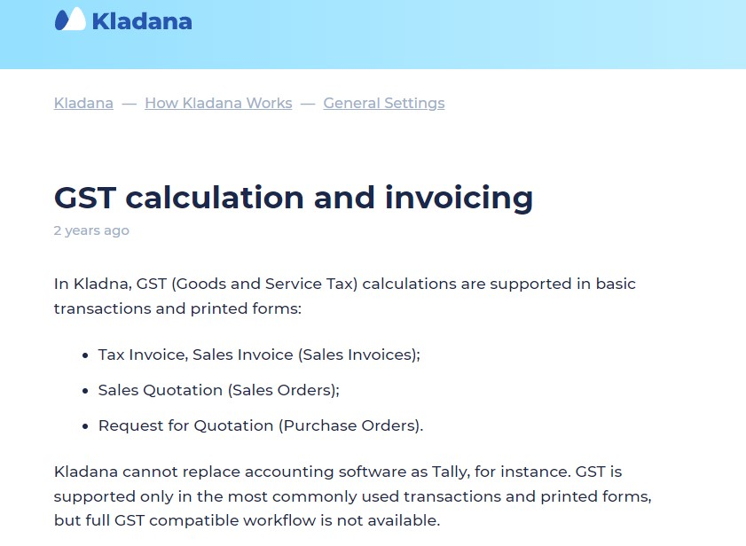

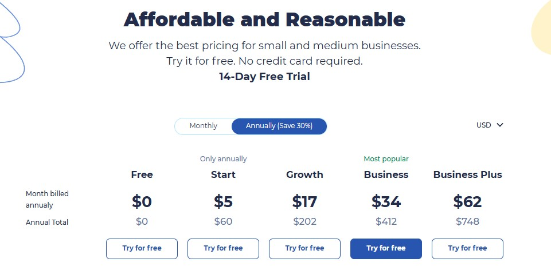
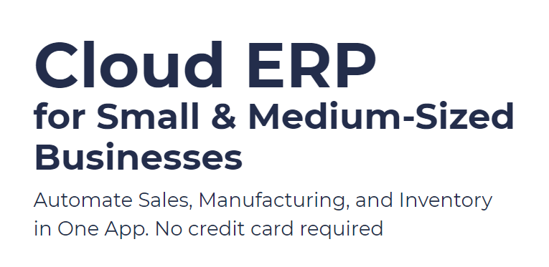

Start a Free 14-Day Trial |  | Choose your next Plan

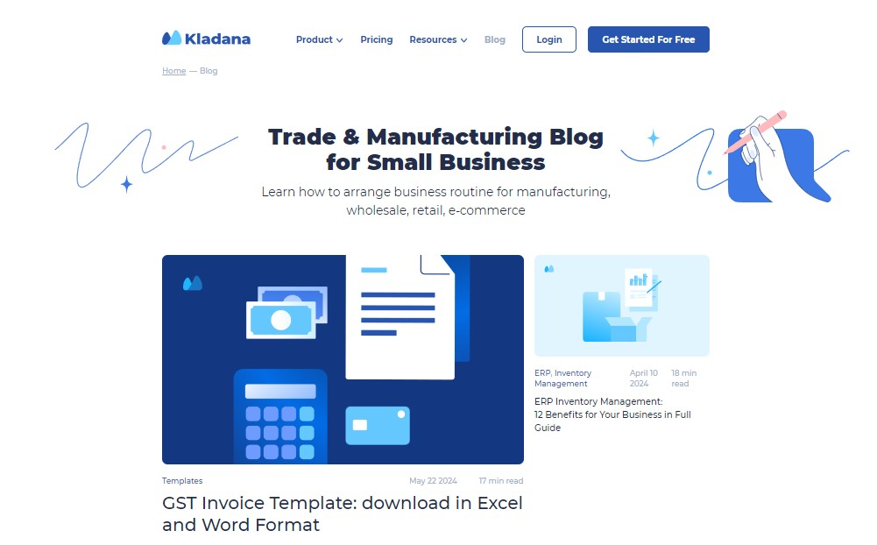
With no limits

 | Subscribe

 | Subscribe

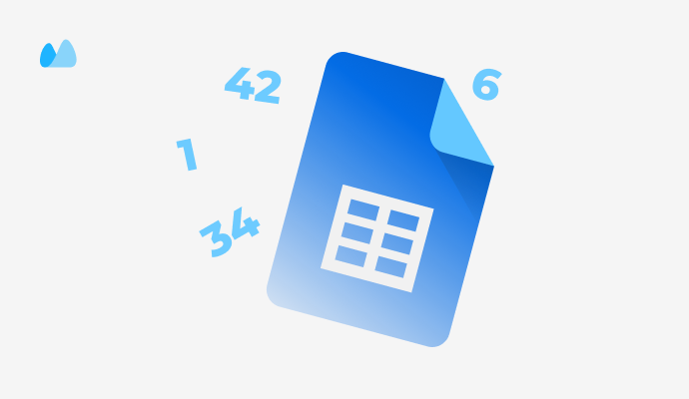

 |  | Read our Articles & Case Stories

Use our Free Templates

