Try Kladana for Free
Create Operation Reports in Kladana

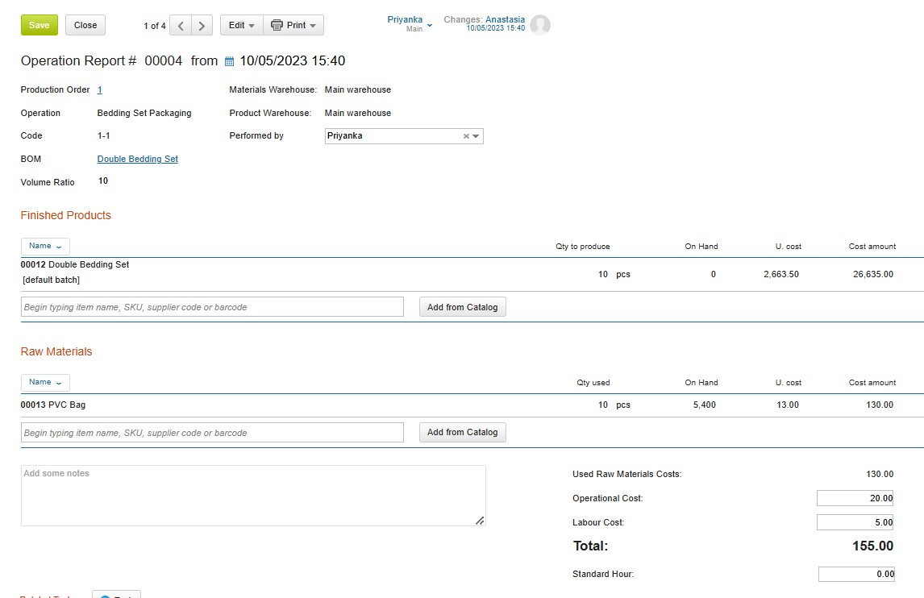

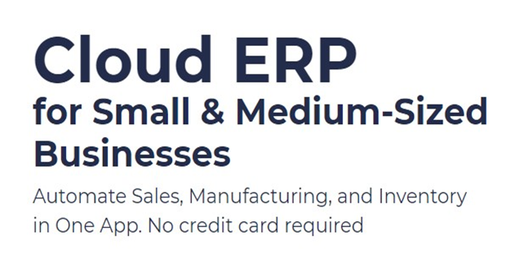
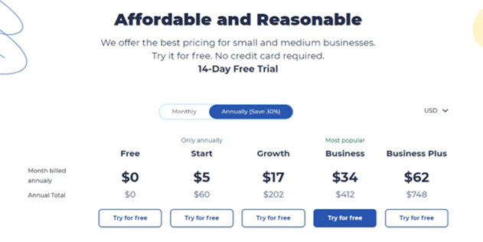

Start a Free 14-Day Trial |  | Choose your next Plan

With no limits |  | Starting with $60 per Year

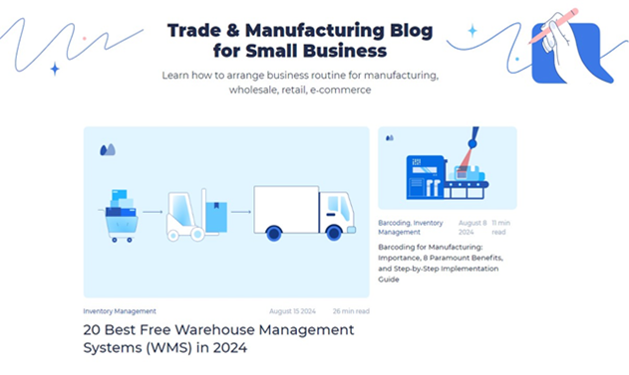

 | Subscribe

 | Subscribe
 |  | Read our Articles & Case Stories

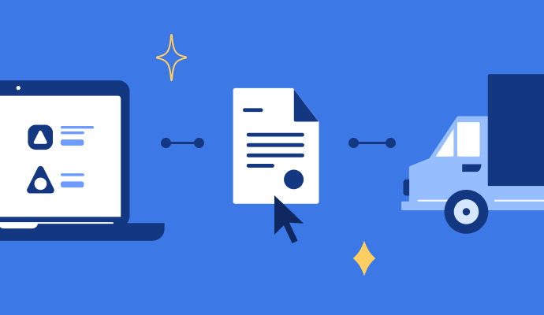

Take Free Purchase Order Template |  | Download Free E-Way Bill Template

Learn How to Work with GST Invoice and Take a Free Template |  | Check Bill-of-Material Guide and Take a Free Template

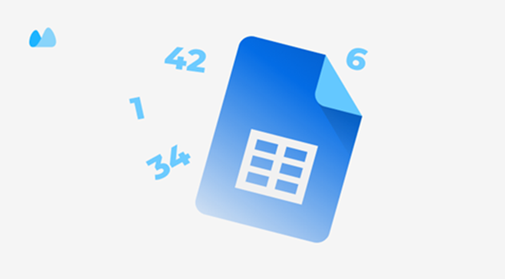

Take 20+ Free Invoice Templates for Excel |  | Use our Free Inventory Template

