Try Kladana for Free
Analyze Sales, Returns, and Profit in Kladana

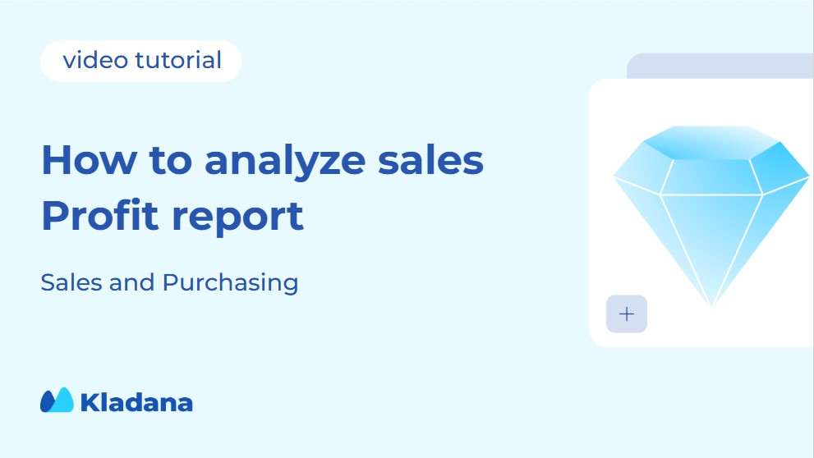

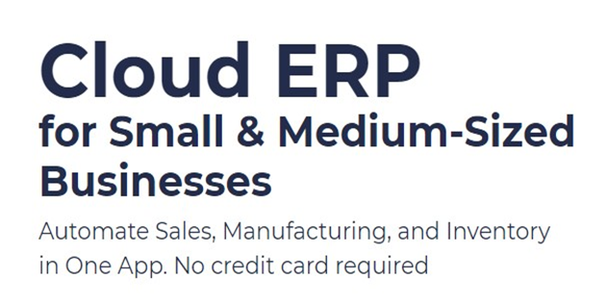
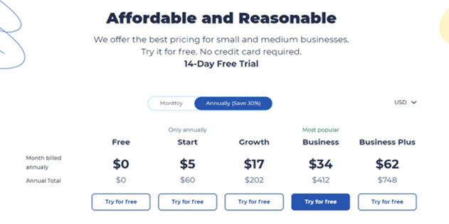

Start a Free 14-Day Trial |  | Choose your next Plan

With no limits |  | Starting with $60 per Year

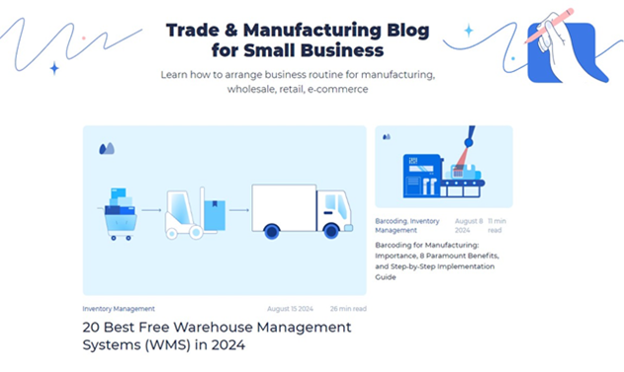
 | Subscribe

 | Subscribe

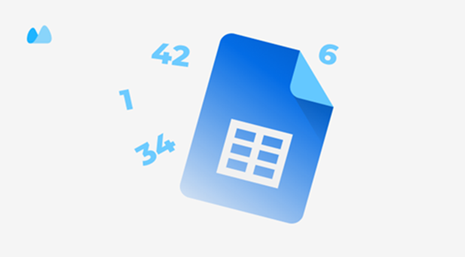

 |  | Read our Articles & Case Stories

Use our Free Inventory Template

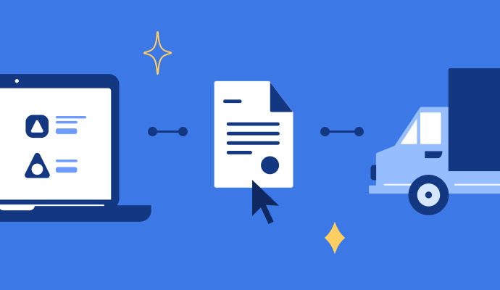

Take Free Purchase Order Template |  | Download Free E-Way Bill Template

Learn How to Work with GST Invoice and Take a Free Template |  | Check Bill-of-Material Guide and Take a Free Template

Take 20+ Free Invoice Templates for Excel

