Cost Dashboard
Maintenance Cost & Performance Dashboard

KPI | Value |  | Department | Tasks | Cost
Total Tasks | 23 |  | Production | 7 | $460.00
Completed Tasks | 15 |  | Warehouse | 4 | $72.00
Pending / In Progress | 7 |  | Facility | 4 | $35.00
Overdue Tasks | 3 |  | Admin | 0 | $0.00
Completion Rate | 65.2% |  | Utilities | 3 | $120.00
Total Maintenance Cost | $810.00
Total Downtime Hours | 22.5

Maintenance Type | Tasks | Cost |  | Status | Tasks | Share
Preventive | 3 | $79.00 |  | Completed | 15 | 65.2%
Corrective | 4 | $370.00 |  | Pending | 4 | 17.4%
Inspection | 2 | $28.00 |  | In Progress | 3 | 13.0%
Calibration | 2 | $120.00 |  | On Hold | 0 | 0.0%
Emergency | 2 | $90.00 |  | Pending Review | 1 | 4.3%
Tasks by Status
Maintenance Cost by Department

Try Kladana for Free
Start a Free 14-Day Trial |  | Choose your next Plan

With no limits |  | Starting with $60 per Year

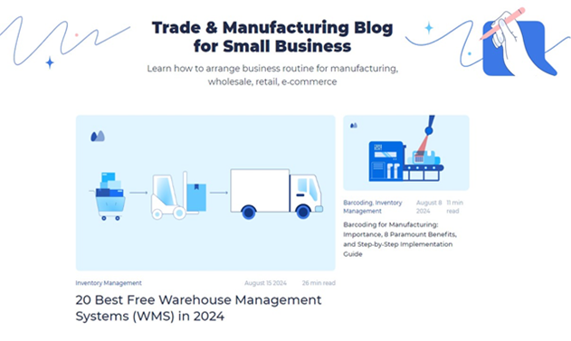
 | Subscribe

 | Subscribe

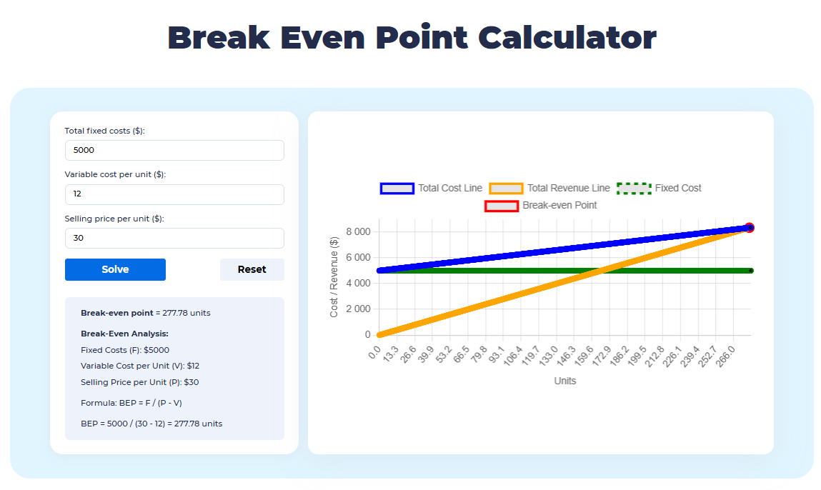

 |  | Read our Articles & Case Stories

Use our online calculators and generators

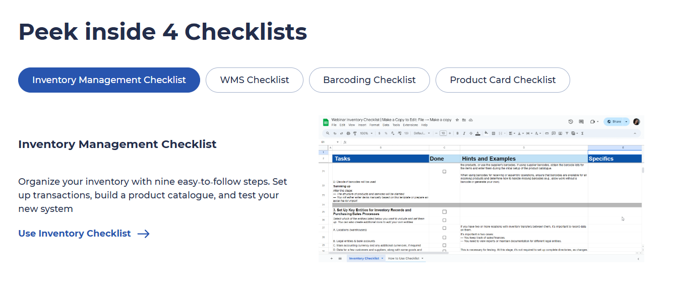

Use 4 Inventory Checklists

