Dashboard
Vehicle Maintenance Dashboard

Active Vehicles |  | Total Maintenance Cost |  | Overdue Services | Due Within 30 Days
4 |  | $1,032.00 |  | 2 | 4

Status Summary
Status | Count |  | Vehicle ID | Total Cost
Overdue | 2 |  | VAN-001 | $131.25
Due Soon | 4 |  | VAN-002 | $89.25
Scheduled | 3 |  | VAN-003 | $430.00
 |  |  | TRK-001 | $381.50
 |  |  | Other | $0.00
Service Status
Maintenance Cost by Vehicle

Try Kladana for Free



Start a Free 14-Day Trial |  | Choose your next Plan

With no limits |  | Starting with $60 per Year



 | Subscribe

 | Subscribe

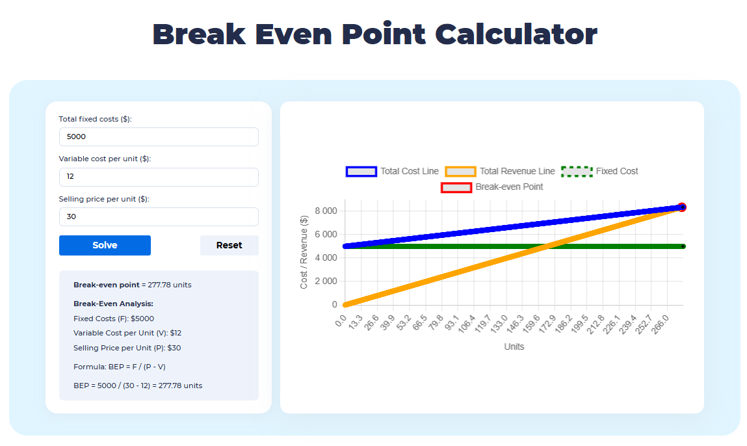

 |  | Read our Articles & Case Stories

Use our BEP Calculator

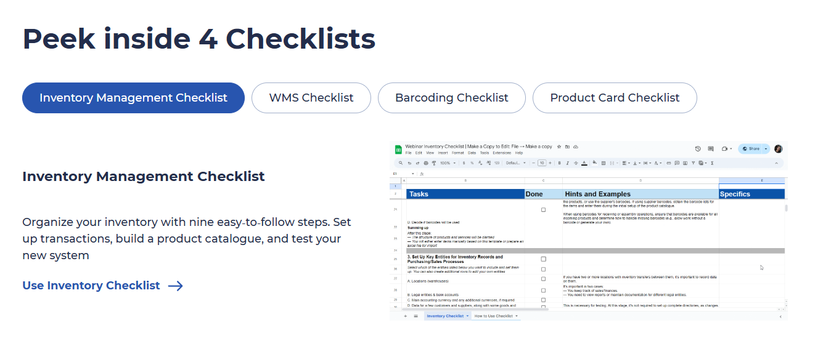

Use 4 Inventory Checklists

